SIT-CVM-DUM-05
▣ Scenario SIT-CVM-DUM-05 :Data Upload Management

Communication
SCVM
Connection
Connect
Accept
Send Data
Receive Acknowledgement
SMC
Backup
▶ Desc & Flow
Description |  | SCVM sends to SMC the following data :Alarms, events, message of device status, result of updating, version of distributed operational parameters and Card Transaction Data.
Biz flow ( It describe briefly )

▶ Advance preparation
Preparation |  | SCVM 1 EA, SMC 1 EA

▶ Data
NO | Item | 1 | 2 | 3 | 4 | 5
1 | N/A

001
Test Case SIT-CVM-DUM-05-001 : Upload Card Tapping Transaction Data ( MM601)

1. Test Scenario
Test date |  | 1st |  | Tester |  | 1st
 |  | 2nd |  |  |  | 2nd
 |  | 3rd |  |  |  | 3rd

Card Tapping SCVM
Receive Transation Data
Send Transaction Data
Description |  | Upload Card Tapping Transaction Data |  |  |  |  | Written by |  | Süleyman Kabadayı
Flow

NO | Task | Test data | Expected result | Person in charge | Result |  | Pass/Fail |  |  | Remark
 |  |  |  |  |  |  | 1st | 2nd | 3rd
1 | [Card Tapping SCVM ] 1.Card Tapping SCVM | Test Data A: Card Tapping | Success to tapping | KIM J.E. | 1st |  |  |  |  | Test Data:C
 |  |  |  |  | 2nd
 |  |  |  |  | 3rd
2 | [Receive Transation Data] 1.SCVM checks and backups Transaction Data | Test Data B: Transaction Data | Success to check and backup | KIM J.E. | 1st
 |  |  |  |  | 2nd
 |  |  |  |  | 3rd
3 | [Send Transaction Data] 1.SCVM sends transaction data to SMC |  | Succes to send | KIM J.E. | 1st |  |  |  |  | Test Data:D
 |  |  |  |  | 2nd
 |  |  |  |  | 3rd

NO | Item
A | Card Tapping | It depends on the Pass Product list. (the default testing pass product is 90 min pass)
B | Transaction Data | (MM601)XXXXXXXX
C | 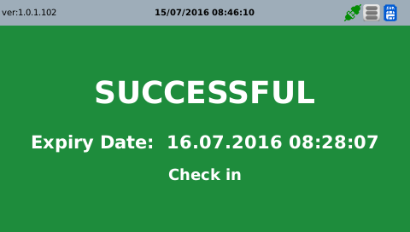

D | 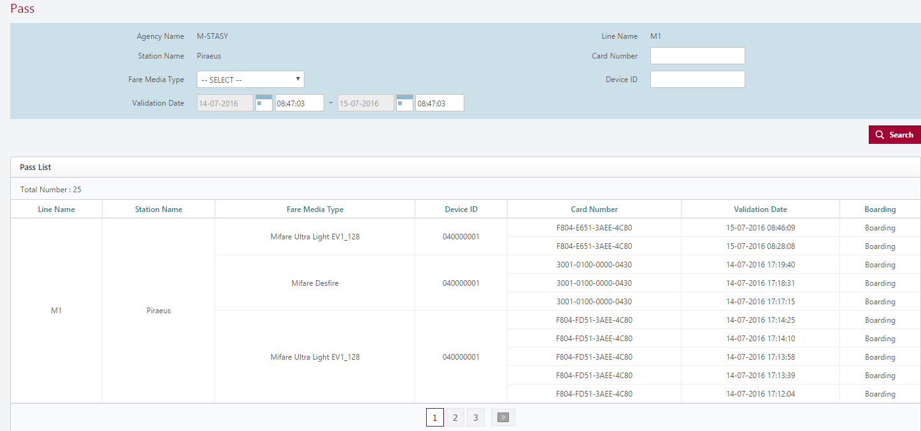

002
Test Case SAT-OMC-DUM-01-002 :Upload Transaction Closing Data (MM602)

1. Test Scenario
Test date |  | 1st |  | Tester |  | 1st
 |  | 2nd |  |  |  | 2nd
 |  | 3rd |  |  |  | 3rd

Send Acknowledgement
Send to Closing Data
Description |  | Upload Transaction Closing Data |  |  |  |  | Written by |  | Süleyman Kabadayı
Flow

NO | Task | Test data | Expected result | Person in charge | Result |  | Pass/Fail |  |  | Remark
 |  |  |  |  |  |  | 1st | 2nd | 3rd
1 | [Send to Closing Data] 1.SCVM sends to closing data | Test Data A: Closing Data | Success to send | KIM J.E. | 1st |  |  |  |  | Test Data:B
 |  |  |  |  | 2nd
 |  |  |  |  | 3rd
2 | [Send Acknowledgement] 1.SCVM receives to send acknowledgement |  | Success to receive | KIM J.E. | 1st |  |  |  |  | Test Data:B
 |  |  |  |  | 2nd
 |  |  |  |  | 3rd

NO | Item
A | Closing Data | MM602XXXXXXXXXXXXX
B

003
Test Case SIT-CVM-DUM-05-003 : Upload SCVM Status (MM603)

1. Test Scenario
Test date |  | 1st |  | Tester |  | 1st
 |  | 2nd |  |  |  | 2nd
 |  | 3rd |  |  |  | 3rd

Check SCVM Status
Send SCVM Status
Description |  | Upload SCVM Status |  |  |  |  | Written by |  | Süleyman Kabadayı
Flow

NO | Task | Test data | Expected result | Person in charge | Result |  | Pass/Fail |  |  | Remark
 |  |  |  |  |  |  | 1st | 2nd | 3rd
1 | [Check SCVM Status] 1.SCVM checks the Status | Test Data A: SCVM Status | Success to check | KIM J.E. | 1st |  |  |  |  | Test Data:B
 |  |  |  |  | 2nd
 |  |  |  |  | 3rd
2 | [Send SCVM Status] 1.SCVM sends the Status to SMC |  | Success to send | KIM J.E. | 1st |  |  |  |  | Test Data:B
 |  |  |  |  | 2nd
 |  |  |  |  | 3rd

NO | Item
A | SCVM Status | MM603XXXXXXXXX
B

004
Test Case SIT-CVM-DUM-05-004 : Upload SCVM Alarm/Event (MM604)

1. Test Scenario
Test date |  | 1st |  | Tester |  | 1st
 |  | 2nd |  |  |  | 2nd
 |  | 3rd |  |  |  | 3rd

Send Upload SCVM Alarm/Event
Receive Acknowledgement message
Description |  | Upload SCVM Alarm/Event |  |  |  |  | Written by |  | Süleyman Kabadayı
Flow

NO | Task | Test data | Expected result | Person in charge | Result |  | Pass/Fail |  |  | Remark
 |  |  |  |  |  |  | 1st | 2nd | 3rd
1 | [Send Upload SCVM Alarm/Event ] 1.SCVM sends SCVM Alarm/Event to SMC | Test Data A: SCVM Alarm/Event | Success to send | KIM J.E. | 1st |  |  |  |  | Test Data:C
 |  |  |  |  | 2nd
 |  |  |  |  | 3rd
2 | [Receive Acknowledgement message ] SCVM receives Acknowledgement message from SMC | Test Data B: Acknowledgement message | Success to receive | KIM J.E. | 1st |  |  |  |  | Test Data:C
 |  |  |  |  | 2nd
 |  |  |  |  | 3rd

NO | Item
A | SCVM Alarm/Event | MM604XXXXXXXXXX (Download Fail)
B | Acknowdledgement Message
C

005
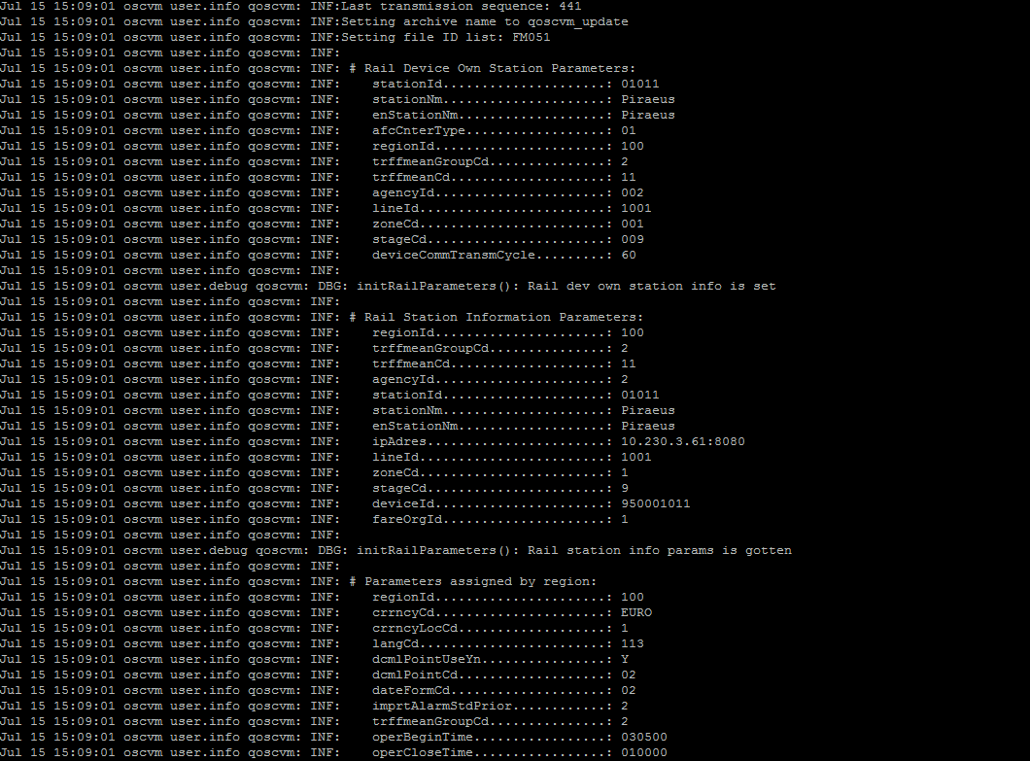
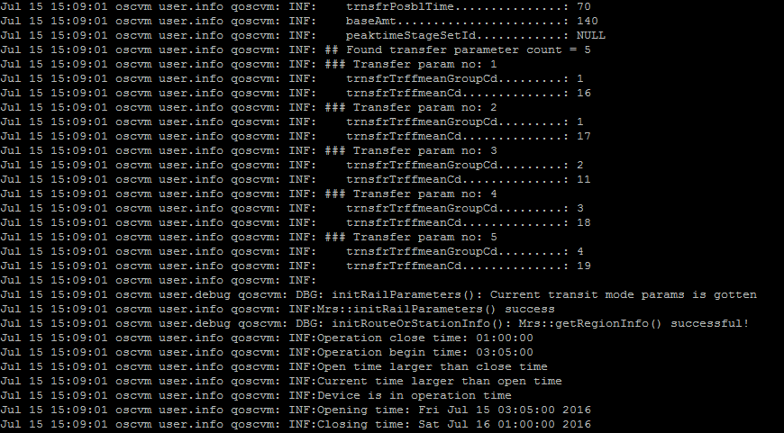
Test Case SIT-CVM-DUM-05-005 : Upload SCVM Operation Information Version (MM606)

1. Test Scenario
Test date |  | 1st |  | Tester |  | 1st
 |  | 2nd |  |  |  | 2nd
 |  | 3rd |  |  |  | 3rd

Send SCVM Operation Information Version
Receive Acknowledgement message
Description |  | Upload SCVM Operation Information Version |  |  |  |  | Written by |  | Süleyman Kabadayı
Flow

NO | Task | Test data | Expected result | Person in charge | Result |  | Pass/Fail |  |  | Remark
 |  |  |  |  |  |  | 1st | 2nd | 3rd
1 | [Send SCVM Operation Information Version Info ] 1.SCVM sends SCVM Operation Information Version Info to SMC | Test Data A: SCVM Operation Information Version info | Success to send | KIM J.E. | 1st |  |  |  |  | Test Data:C
 |  |  |  |  | 2nd
 |  |  |  |  | 3rd
2 | [Receive Acknowledgement message ] 1.SCVM receives Acknowledgement message from SMC | Test Data B: Acknowledgement message | Success to receive | KIM J.E. | 1st |  |  |  |  | Test Data:C
 |  |  |  |  | 2nd
 |  |  |  |  | 3rd

NO | Item
A | SCVM Operation Information Version Info | MM606XXXXXXXXXX
B | Acknowdledgement Message
C

006
Test Case SIT-CVM-DUM-05-006 :Upload SCVM H/W Information ( MM608)

1. Test Scenario
Test date |  | 1st |  | Tester |  | 1st
 |  | 2nd |  |  |  | 2nd
 |  | 3rd |  |  |  | 3rd

Send to SCVM H/W Information
Receive to Acknowledgement message
Description |  | Upload SCVM H/W Information |  |  |  |  | Written by |  | Süleyman Kabadayı
Flow

NO | Task | Test data | Expected result | Person in charge | Result |  | Pass/Fail |  |  | Remark
 |  |  |  |  |  |  | 1st | 2nd | 3rd
1 | [Send to Resquest of Certification ] 1.SCVM sends H/W Information to SMC | Test Data A: SCVM H/W Information | Success to send | KIM J.E. | 1st |  |  |  |  | Test Data:C
 |  |  |  |  | 2nd
 |  |  |  |  | 3rd
2 | [Receive Acknowledgement message ] 1.SCVM receives Acknowledgement message from SMC | Test Data B: Acknowledgement message | Success to receive | KIM J.E. | 1st |  |  |  |  | Test Data:C
 |  |  |  |  | 2nd
 |  |  |  |  | 3rd

NO | Item
A | SCVM H/W Information | MM608XXXXXXXXXXX
B | Acknowdledgement Message
C

007
Test Case SIT-CVM-DUM-05-007 : Upload SCVM Mode ( MM611)

1. Test Scenario
Test date |  | 1st |  | Tester |  | 1st
 |  | 2nd |  |  |  | 2nd
 |  | 3rd |  |  |  | 3rd

Send SCVM Mode Info
Receive Acknowledgement message
Description |  | Upload SCVM Mode |  |  |  |  | Written by |  | Süleyman Kabadayı
Flow

NO | Task | Test data | Expected result | Person in charge | Result |  | Pass/Fail |  |  | Remark
 |  |  |  |  |  |  | 1st | 2nd | 3rd
1 | [Send SCVM Mode Info ] 1.SCVM sends SCVM Mode Info to SMC | Test Data A: SCVM Mode Info | Success to send | KIM J.E. | 1st |  |  |  |  | Test Data:C
 |  |  |  |  | 2nd
 |  |  |  |  | 3rd
2 | [Receive Acknowledgement message] 1.SCVM receives Acknowledgement message from SMC | Test Data B: Acknowledgement message | Success to receive | KIM J.E. | 1st |  |  |  |  | Test Data:C
 |  |  |  |  | 2nd
 |  |  |  |  | 3rd

NO | Item
A | SCVM Mode Info | MM601XXXXXXXXXX
B | Acknowledgement message
C | 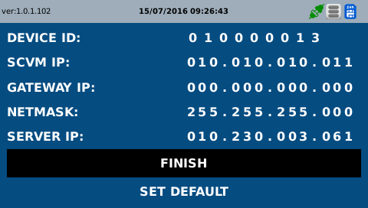 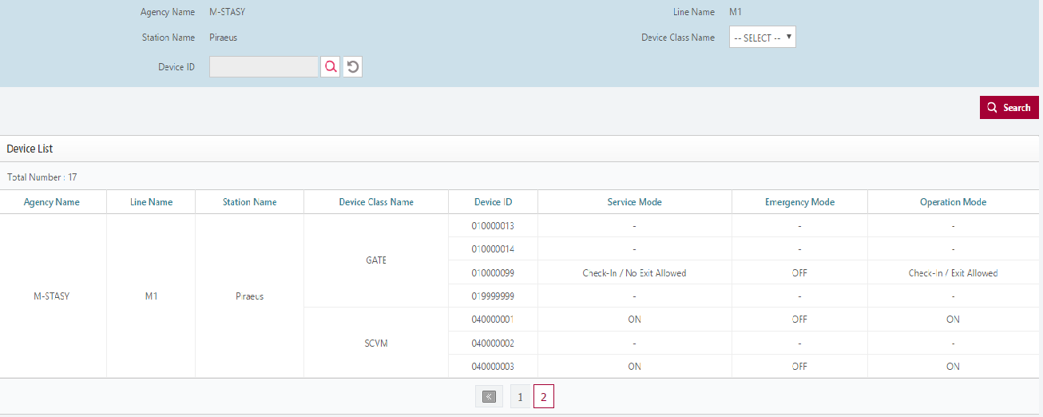

008
Test Case SIT-CVM-DUM-05-008 : Upload Request SMC Version Information (MM616)

1. Test Scenario
Test date |  | 1st |  | Tester |  | 1st
 |  | 2nd |  |  |  | 2nd
 |  | 3rd |  |  |  | 3rd

Send Request SMC Version Information
Receive Acknowledgement message
Description |  | Upload Request SMC Version Information |  |  |  |  | Written by |  | Süleyman Kabadayı
Flow

NO | Task | Test data | Expected result | Person in charge | Result |  | Pass/Fail |  |  | Remark
 |  |  |  |  |  |  | 1st | 2nd | 3rd
1 | [Send Request SMC Version Information ] 1.SCVM sends Request SMC Version Information Info to SMC | Test Data A: Request SMC Version Information | Success to send | KIM J.E. | 1st |  |  |  |  | Test Data:C
 |  |  |  |  | 2nd
 |  |  |  |  | 3rd
2 | [Receive Acknowledgement message ] 1.SCVM receives Acknowledgement message from SMC | Test Data B: Acknowledgement message | Success to receive | KIM J.E. | 1st |  |  |  |  | Test Data:C
 |  |  |  |  | 2nd
 |  |  |  |  | 3rd

NO | Item
A | Request SMC Version Information | MM616XXXXXXXXXX
B | Acknowdledgement Message
C

009
Test Case SIT-CVM-DUM-05-009 : Upload Request Last No. of Transaction (MM617)

1. Test Scenario
Test date |  | 1st |  | Tester |  | 1st
 |  | 2nd |  |  |  | 2nd
 |  | 3rd |  |  |  | 3rd

Send Request Last No. of Transaction
Receive Acknowledgement message
Description |  | Upload Request Last No. of Transaction |  |  |  |  | Written by |  | Süleyman Kabadayı
Flow

NO | Task | Test data | Expected result | Person in charge | Result |  | Pass/Fail |  |  | Remark
 |  |  |  |  |  |  | 1st | 2nd | 3rd
1 | [SendRequest Last No. of Transaction ] 1.SCVM sends Request Last No. of Transaction Info to SMC | Test Data A: Request Last No. of Transaction | Success to send | KIM J.E. | 1st |  |  |  |  | Test Data:C
 |  |  |  |  | 2nd
 |  |  |  |  | 3rd
2 | [Receive Acknowledgement message ] 1.SCVM Receives Acknowledgement message from SMC | Test Data B: Acknowledgement message | Success to receive | KIM J.E. | 1st |  |  |  |  | Test Data:C
 |  |  |  |  | 2nd
 |  |  |  |  | 3rd

NO | Item
A | Request Last No. of Transaction | MM617XXXXXXXXXX
B | Acknowdledgement Message
C

010
Test Case SIT-CVM-DUM-05-010 : Upload Response Last No. of Transaction (MM618)

1. Test Scenario
Test date |  | 1st |  | Tester |  | 1st
 |  | 2nd |  |  |  | 2nd
 |  | 3rd |  |  |  | 3rd

Send Response Last No. of Transaction
Receive Acknowledgement message
Description |  | Upload Response Last No. of Transaction |  |  |  |  | Written by |  | Süleyman Kabadayı
Flow

NO | Task | Test data | Expected result | Person in charge | Result |  | Pass/Fail |  |  | Remark
 |  |  |  |  |  |  | 1st | 2nd | 3rd
1 | [SendResponse Last No. of Transaction Info ] 1.SCVM sends Response Last No. of Transaction to SMC | Test Data A: Response Last No. of Transaction | Success to send | KIM J.E. | 1st |  |  |  |  | Test Data:C
 |  |  |  |  | 2nd
 |  |  |  |  | 3rd
2 | [Receive Acknowledgement message ] 1.SCVM Receives Acknowledgement message from SMC | Test Data B: Acknowledgement message | Success to receive | KIM J.E. | 1st |  |  |  |  | Test Data:C
 |  |  |  |  | 2nd
 |  |  |  |  | 3rd

NO | Item
A | Response Last No. of Transaction | MM618XXXXXXXXXX
B | Acknowdledgement Message
C

